Sheet3
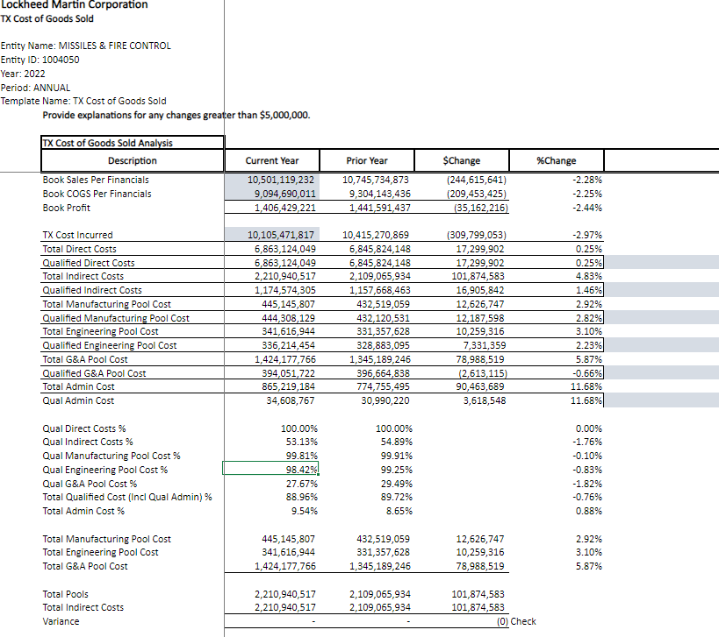

Contract ID | PROJ | USR00 | Contract ID from PROJ table
Billing WBS Element | PRPS | POST1 | Billing element Level 2 from table PRPS
Total Sales | Program logic | summed value | Calculated sum | For all GL CLEARED
Qualifying Sales | Program logic | summed value | Calculated sum | Deriving fron contract
Non-Qualifying Sales | Program logic | summed value | Calculated sum | Deriving fron contract
Direct Cost | Program logic | summed value | Calculated sum
Qualifying Direct Cost | Program logic | summed value | Calculated sum
Total Pool Cost | Program logic | summed value | Calculated sum
Total Qualifying Pool Cost | Program logic | summed value | Calculated sum
Total Administrative Cost | Program logic | summed value | Calculated sum
Qualifying Administrative Cost(4%) | Program logic | summed value | Calculated sum
Total Qualifying Cost | Program logic | summed value | Calculated sum
Manufacturing Pool Cost | Program logic | summed value | Calculated sum
Qualifying Manufacturing Pool Cost | Program logic | summed value | Calculated sum
Administrative Cost | Program logic | summed value | Calculated sum
Engineering Pool Cost | Program logic | summed value | Calculated sum
Qualifying Engineering Pool Cost | Program logic | summed value | Calculated sum
Administrative Cost | Program logic | summed value | Calculated sum
G&A Pool Cost | Program logic | summed value | Calculated sum
Qualifying G&A Pool Cost | Program logic | summed value | Calculated sum
Administrative Cost | Program logic | summed value | Calculated sum

